Application Screen
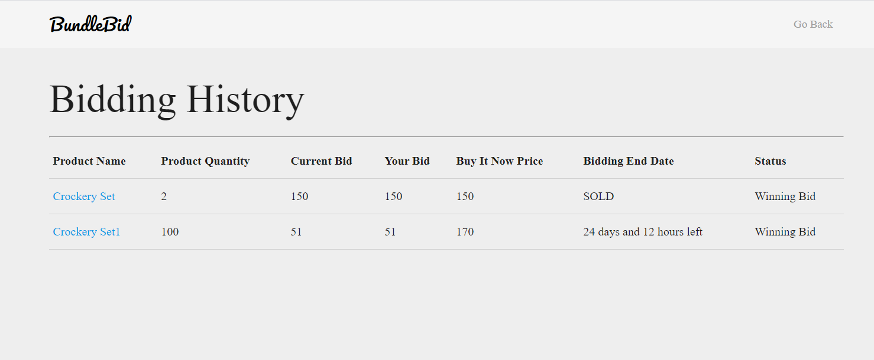

Test Case 2
Data Flow Diagram
TC Title: | TC2. Bidding History - Data Flow In + Core Functionality

TC Objective: | To test the submitted bid for products reflects properly at the bidding history page.

Registered
User
04.01 Submit a
Bid
Select a
Product
TC Description
 | Step | Step Description | Expected Results
 | 1 | Select the product for which you want to submit a bid. | System should display product details along with the field to enter bidding price.
 | 2 | Enter a bidding price in "Make a Bid!" field. | User must be able to enter valid and accurate bidding price.
Submitted bidding
price should
reflect
 | 3 | Click on submit button. | System should generate message "Bid submitted Successfully".
 | 4 | Click on "Go Back" Button | User must be redirected to Account webpage.
 | 5 | Click on the Bidding History button. | User should be redirected to redirected to bidding history webpage, where user should be able to see submitted bidding price for the product.

02.04 Bidding
History

